Bucket List and Relationship
Data Bucket Name | Acronym
Project | PRJ
Build | BLD
Part Design | PTD
Built Part | BPT
AM System | AMS
Material | MAT
Process | PRC
Process Data | PRD
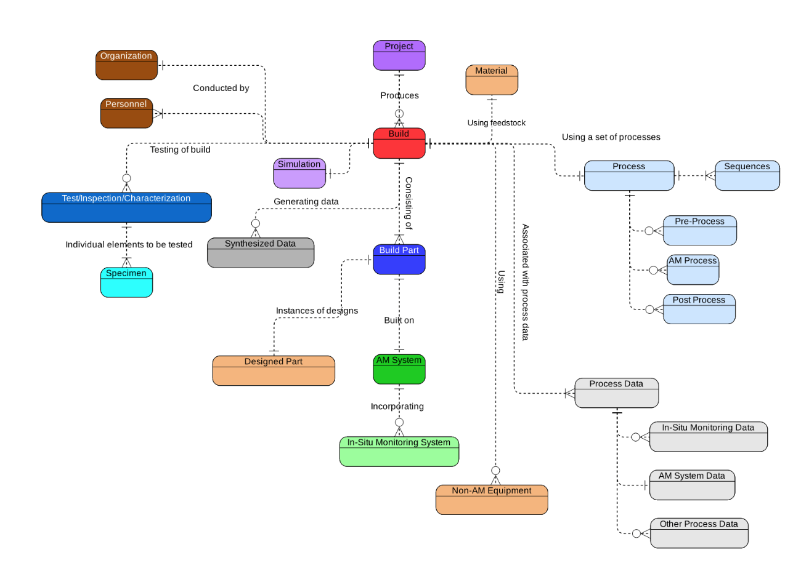
Test/Inspection/Characterization | TIC
Organization | ORG
Personnel | PER
Non-AM Equipment | EQT
Synthesized Data | SYN
Software | SW
Simulation | SIM

